Template Design

"Post B" in this figma file: https://www.figma.com/design/Oag9z6jw0RVmaOVGPMAxNd/BestCo-Painted-Door--Certificates-?node-id=1257-30815&t=cG0qg69I5TyqrGgE-0

Painted Door Product QA
Reporter (add your name) | Observation | Intended State | URL | Status | Priority
Kaison | No logo on tiles for painted door topics | Full MasterClass Certificates logotype lockup on tiles for painted door topics | all painted door tiles | Not started | Critical
Kaison | Order of tiles not randomized | List of courses should be merged with other real courses and order of tiles should be randomized for each user on each page. | all painted door tiles | Not started | Critical
Kaison | Time for each course 16 hours on tiles | Some variance in hours, ranging from 15-20 hours per course | all painted door pages | Not started | Critical
Kaison | Time for each module in each course 2h30 | some variance in time for each module, ranging from | all painted door pages | Not started | Critical
Kaison | CTA is Enroll Now | CTA should be Sign Up | all painted door pages. | Not started | Critical
Kaison | No image next to Outcomes and Skills in this Course | Image should exist next to Outcomes and Skills in this Course | all painted door pages. | Not started | Critical
Kaison | No urgency on painted door landing pages | Add pre-enrollment urgency banner, CTA copy, pop up that says: "Pre-enroll now to save 30% on this [Course Name] Certificate Course". Lets set urgency date to end | all painted door pages. | Not started | High
Kaison | Header copy (Title, description, CTAs) on left of screen is aligned to the top | Header copy (Title, description, CTAs) on left of screen should be vertically centered to the image on right | all painted door pages. | Not started | Normal | 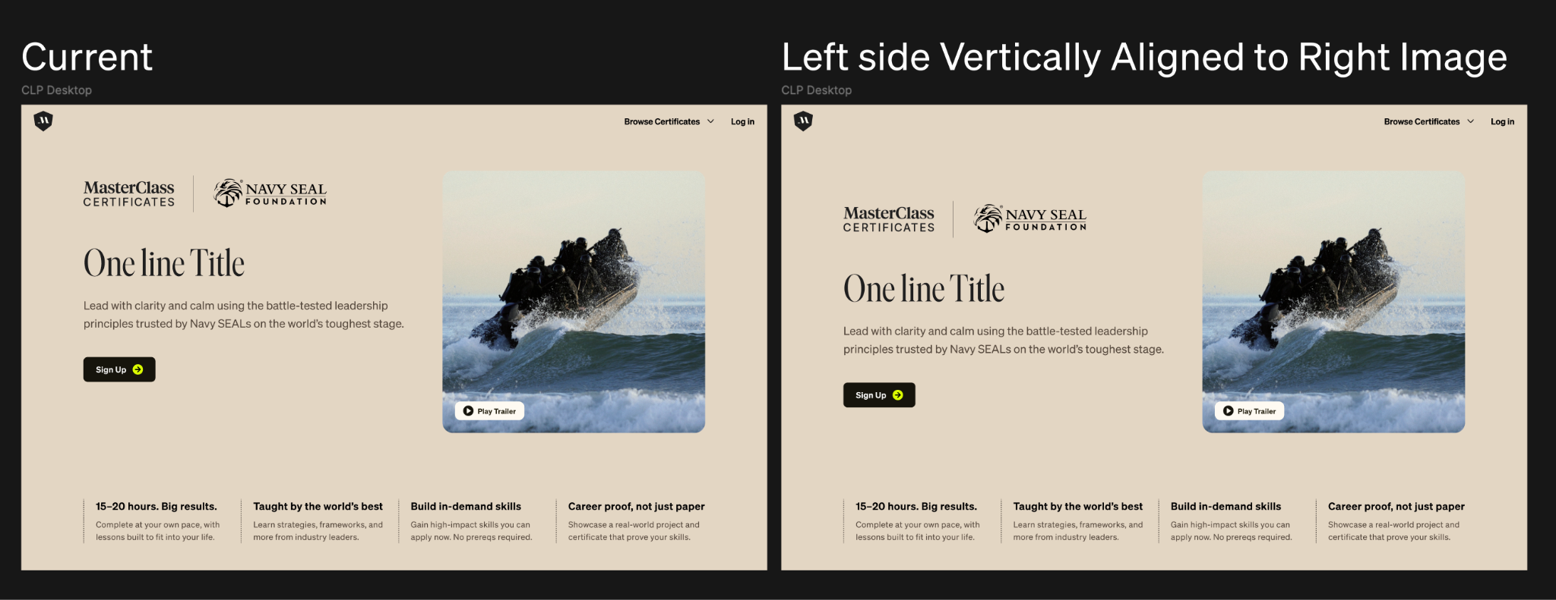
Kaison | Images are stocky |  | all painted door pages. | Blocked | Normal

